2026-StndLoad
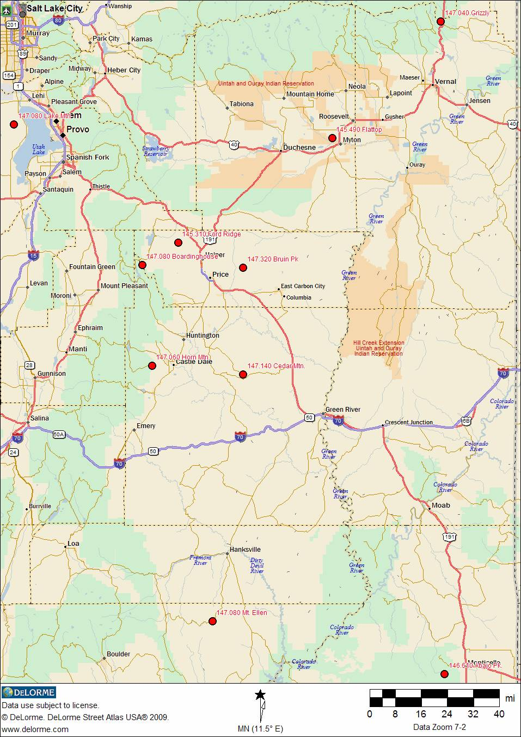
SLCoARES STANDARD LOAD - JAN 2026 |  |  |  |  |  |  |  |  |  | CHANGES
 | CH # | RX FREQ | TX FREQ | (+-) | NAME | TONE | CTCSS | Comment
User Defined | 1 |  |  |  |  |  |  |  | Personal
 | 2
 | 3
 | 4
 | 5
 | 6
 | 7
 | 8
 | 9
 | 10
 | 11
 | 12
 | 13
 | 14
 | 15
 | 16
 | 17
 | 18
 | 19
 | 20
 | 21 |  |  |  |  |  |  |  | Club Use
 | 22
 | 23
 | 24
 | 25
 | 26
 | 27
 | 28
 | 29
 | 30
 | 31
 | 32
 | 33
 | 34
 | 35
 | 36
 | 37
 | 38
 | 39
 | 40
DO NOT MODIFY!! | 41 | 438.200 | 438.200 |  | CITY_1 |  |  | Alta | City Repeaters & Simplex
 | 42 | 438.150 | 438.150 |  | CITY_2 |  |  | Alta / Big Cottonwood / Copperton Metro Township / Granite (Unincorporated) / Parley's Canyon Southwest
 | 43 | 446.700 | 441.700 | (-) | CITY_3 | Tone | 100.0 Hz | Bluffdale (Williams Peak) |  | *
 | 44 | 438.100 | 438.100 |  | CITY_4 |  |  | Bluffdale
 | 45 | 145.550 | 145.550 |  | CITY_5 |  |  | Cottonwood Heights
 | 46 | 439.325 | 439.325 |  | CITY_6 |  |  | Cottonwood Heights
 | 47 | 447.100 | 442.100 | (-) | CITY_7 | Tone | 100.0 Hz | Draper (Sun Crest Fire Station #122) |  | *
 | 48 | 447.100 | 447.100 |  | CITY_8 |  |  | Draper
 | 49 | 446.250 | 441.250 | (-) | CITY_9 | Tone | 100.0 Hz | Herriman (Herriman High School) |  | *
 | 50 | 146.460 | 146.460 |  | CITY_10 |  |  | Herriman
 | 51 | 146.480 | 146.480 |  | CITY_11 |  |  | Holladay
 | 52 | 146.580 | 146.580 |  | CITY_12 |  |  | Kearns
 | 53 | 439.000 | 439.000 |  | CITY_13 |  |  | Magna |  | *
 | 54 | 145.790 | 145.790 |  | CITY_14 |  |  | Midvale
 | 55 | 439.200 | 439.200 |  | CITY_15 |  |  | Millcreek
 | 56 | 147.600 | 147.600 |  | CITY_16 |  |  | Murray
 | 57 | 223.960 | 222.360 | (-) | CITY_17 | Tone | 103.5 Hz | Murray Primary Repeater (Closed in Emergencies)
 | 58 | 145.710 | 145.710 |  | CITY_18 |  |  | Riverton
 | 59 | 448.525 | 443.525 | (-) | CITY_19 | Tone | 100.0 Hz | Salt Lake City / Emigration Canyon : NOTE: 147.160 (127.3Hz) is 2nd-ary repeater (Ensign Peak) |  | *
 | 60 | 147.500 | 147.500 |  | CITY_20 |  |  | Salt Lake City / Emigration Canyon
 | 61 | 147.140 | 147.740 | (+) | CITY_21 | Tone | 127.3 Hz | Sandy / Sandy Hills / White City Metro Township / Willow Canyon / Willow Creek (Butterfield Peak) |  | *
 | 62 | 438.925 | 438.925 |  | CITY_22 |  |  | Sandy / Sandy Hills / White City Metro Township / Willow Canyon / Willow Creek
 | 63 | 447.625 | 442.625 | (-) | CITY_23 | Tone | 100.0 Hz | Sandy / Sandy Hills / White City Metro Township / Willow Canyon / Willow Creek (1300 East 9400 South Sandy ) |  | *
 | 64 | 145.510 | 145.510 |  | CITY_24 |  |  | South Jordan
 | 65 | 447.700 | 442.700 | (-) | CITY_25 | Tone | 100.0 Hz | South Salt Lake (South Salt Lake Fire Station 43) |  | *
 | 66 | 439.150 | 439.150 |  | CITY_26 |  |  | South Salt Lake
 | 67 | 146.740 | 146.140 | (-) | CITY_27 | Tone | 114.8 Hz | U of U Repeater (Taylorsville use in non-emergency) (UofU Hospital) |  | *
 | 68 | 146.940 | 146.340 | (-) | CITY_28 | Tone | 88.5 Hz | Taylorsville (Farnsworth Peak Fox 13) |  | *
 | 69 | 146.420 | 146.420 |  | CITY_29 |  |  | Taylorsville
 | 70 | 145.730 | 145.730 |  | CITY_30 |  |  | West Jordan
 | 71 | 147.580 | 147.580 |  | CITY_31 |  |  | West Jordan / West Valley City
 | 72 | 448.800 | 443.800 | (-) | CITY_32 | Tone | 100.0 Hz | West Valley City (WV Fire Station) |  | *
 | 73 | 147.160 | 147.760 | (+) | CITY_33 | Tone | 127.3 Hz | Secondary Repeater for Salt Lake City / Emigration Canyon (Ensign Peak) |  | *
 | 74 | 146.500 | 146.500 |  | CITY_34 |  |  | Sandy Simplex |  | *
 | 75 | 146.700 | 146.100 | (-) | ARES_1 | Tone | 100.0 Hz | SLCo ARES Primary (Ensign Peak) Linked to 448.450 (-) PL 100 | SLCo ARES | *
 | 76 | 146.880 | 146.280 | (-) | ARES_2 | Tone | 88.5 Hz | SLCo ARES Secondary (SLCC Redwood) |  | *
 | 77 | 147.540 | 147.540 |  | ARES_3 |  |  | SLCo ARES Primary Simplex |  | *
 | 78 | 146.620 | 146.020 | (-) | 62_Rpt |  |  | UARC Repeater (Wide Area Monitoring) | Misc. | *
 | 79 | 147.120 | 147.720 | (+) | FrnTie | Tone | 100.0 Hz | Intertie Farnsworth Peak Linked to 147.180 (Wide Area Monitoring) |  | *
 | 80 | 147.180 | 147.780 | (+) | HdnTie | Tone | 100.0 Hz | Intertie Hidden Peak Linked to 147.120 (Wide Area Monitoring) |  | *
 | 81 | 147.080 | 147.680 | (+) | Sinbad | Tone | 77.0 Hz | Sinbad Repeater System Lake Mountain North (Wide Area Monitoring) |  | *
 | 82 | 448.150 | 443.150 | (-) | 6m Lnk | Tone | 127.3 Hz | Farnsworth Peak (Linked to 53.150 MHz PL 146.2 Hz) |  | *
 | 83 | 147.360 | 147.960 | (+) | Lewis | Tone | 100.0 Hz | Lewis Peak |  | *
 | 84 | 146.760 | 146.160 | (-) | Lk Mnt |  |  | Lake Mountain (UARC) |  | *
 | 85 | 448.600 | 443.600 | (-) | DavisCo | Tone | 123.0 Hz | Davis County Wide Coverage (Mt. Ogden) | Davis | *
 | 86 | 147.040 | 147.640 | (+) | DCAres | Tone | 123.0 Hz | Davis County ARES - Linked to 147.42 (S) - Use this Simplex for Davis Co Simplex use. | County | *
 | 87 | 446.575 | 441.575 | (-) | RMPwr1 | Tone | 100.0 Hz | Rocky Mountain Power Owned (PACIFICORP), Their emcomms support repeater. (Traverse Mountain) | Pacificorp | *
 | 88 | 445.1375 | 440.1375 | (-) | RMPdmr |  |  | DMR Repeater - Rocky Mountain Power Owned (PACIFICORP), (Traverse Mountain) |  | *
 | 89 | 146.940 | 146.340 | (-) | UTDEM1 | Tone | 88.5 Hz | UTDEM Primary Repeater | UTDEM | *
 | 90 | 147.060 | 147.660 | (+) | UTDEM2 |  |  | UTDEM Secondary Repeater |  | *
 | 91 | 146.440 | 146.440 |  | UTDEM3 |  |  | UTDEM Primary Simplex |  | *
 | 92 | 146.520 | 146.520 |  | NAT146 |  |  | National 2 Meter Calling Freq. | Ntnl | *
 | 93 | 223.500 | 223.500 |  | NAT220 |  |  | National 1.25 Meter Calling Freq. |  | *
 | 94 | 446.000 | 446.000 |  | NAT446 |  |  | National 70 cm Calling Freq. |  | *
 | 95 | 144.390 | 144.390 |  | APRS |  |  | National APRS (Simplex) |  | *
 | 96 | 447.175 | 442.175 | (-) | Port_1 |  |  | Statewide Port. Reptr (12V DC) | Portable | *
 | 97 | 449.250 | 444.250 | (-) | Port_2 | Tone | 100.0 Hz | W7DES Wasatch Front |  | *
 | 98 | 449.250 | 444.250 | (-) | Port_3 | Tone | 103.5 Hz | AC7II Logan Area |  | *
 | 99 | 449.250 | 444.250 | (-) | Port_4 | Tone | 186.2 Hz | UTTHREAT Northern Utah |  | *
 | 100 | 147.520 | 147.520 |  | ERC_1 |  |  | ERC Sandy LDS Storehouse | LDS ERC | *
 | 101 | 448.425 | 443.425 | (-) | ERC_2 | Tone | 100.0 Hz | SLCoARES TacNet Downtown |  | *
 | 102 | 146.960 | 146.360 | (-) | ERC_3 | Tone | 100.0 Hz | Davis County ERC (Francis Peak) |  | *
 | 103 | 448.875 | 443.875 | (-) | ERC_4 | Tone | 100.0 Hz | Lehi Bishop's Storehouse (ERC Link To Utah County) |  | *
 | 104 | 145.530 | 145.530 |  | EOC_1 |  |  | SLCo ARES | EOC SLCoARES Use Only
 | 105 | 147.460 | 147.460 |  | EOC_2 |  |  | SLCo ARES
 | 106 | 438.175 | 438.175 |  | EOC_3 |  |  | SLCo ARES
 | 107 | 449.150 | 444.150 | (-) | EOC_4 | Tone | 100.0 Hz | SLCo ARES
 | 108 | 449.500 | 444.500 | (-) | EOC_5 | Tone | 100.0 Hz | SLCo ARES
 | 109 | 448.450 | 443.450 | (-) | EOC_7 | Tone | 100.0 Hz | Red Cross Net When Activated (Ensign Peak)
 | 110 | 145.190 | 144.590 | (-) | HOSP_1 | Tone | 123.0 Hz | IHC Hosp. Intermountain Ridge | Hospital SLCoARES Use Only | *
 | 111 | 448.400 | 443.400 | (-) | HOSP_2 |  |  | IHC Hospital Intermountain Ridge
 | 112 | 448.550 | 443.550 | (-) | HOSP_3 | Tone | 100.0 Hz | IHC - West Valley Lake Park Blvd
 | 113 | 447.250 | 442.250 | (-) | HOSP_4 | Tone | 100.0 Hz | SLCoARES IMED TacNet
 | 114 | 146.840 | 146.240 | (-) | HOSP_5 |  |  | SLCoARES Jordan Valley Hosp.
 | 115 | 224.780 | 223.180 | (-) | HOSP_6 | Tone | 100.0 Hz | Jordan Valley Hosp. Linked to 146.840
 | 116 | 447.025 | 442.025 | (-) | HOSP_7 | Tone | 100.0 Hz | SLCoARES Alternate Msg Handling
 | 117 | 146.420 | 146.420 |  | HOSP_8 |  |  | SLCoARES Alternate Msg Handling
 | 118 | 146.740 | 146.140 | (-) | HOSP_9 | Tone | 114.8 Hz | U of U Hospital (Linked to 448.100)
 | 119 | 448.100 | 443.100 | (-) | HOSP10 | Tone | 114.8 Hz | U of U Hospital (Linked to 146.740)
 | 120 | 147.020 | 147.620 | (+) | BearLk | Tone | 100.0 Hz | Bear Lake Repeater on Intermountain Intertie | Intertie (North)
 | 121 | 449.650 | 444.650 | (-) | MtPisgah | Tone | 100.0 Hz | Mt. Pisgah Repeater on Intermountain Intertie
 | 122 | 147.120 | 147.720 | (+) | FrnswthP | Tone | 100.0 Hz | Farnsworth Peak Repeater on Intermountain Intertie
 | 123 | 145.270 | 144.670 | (-) | ScotsHil | Tone | 100.0 Hz | Scott's Hill Repeater on Intermountain Intertie
 | 124 | 147.180 | 147.780 | (+) | HiddenPk | Tone | 100.0 Hz | Hidden Peak Repeater on Intermountain Intertie
 | 125 | 162.550 | Rx ONLY |  | WxSLC |  |  | NOAA SLC (Also used in Davis county) | Wx
 | 126 | 162.450 | Rx ONLY |  | WxTOOELE |  |  | NOAA TOOELE CO
 | 127 | 162.525 | Rx ONLY |  | WxTOOELE2 |  |  | NOAA TOOELE (Vernon Hills): Used in Utah County
 | 128 | 146.800 | 146.200 | (-) | BlwhrdPk | Tone | 100.0 Hz | Blowhard Peak Repeater on Intermountain Intertie | Intertie (South)
 | 129 | 146.940 | 146.340 | (-) | FriscoPk | Tone | 100.0 Hz | Frisco Peak Repeater on Intermountain Intertie
 | 130 | 145.270 | 144.670 | (-) | Levan Pk | Tone | 103.5 Hz | Levan Peak Repeater on Intermountain Intertie
ADDITIONAL / EXTRA FREQUINCIES | 131 | 146.840 | 146.240 | (-) | MonroePk | Tone | 100.0 Hz | Monroe Peak Repeater on Intermountain Intertie
 | 132 | 448.600 | 443.600 | (-) | NavajoMt | Tone | 100.0 Hz | Navajo Mountain Repeater on Intermountain Intertie
 | 133 | 146.960 | 146.360 | (-) | NavajoMt | Tone | 100.0 Hz | Navajo Mountain 2nd Repeater on Intermountain Intertie
 | 134 | 146.820 | 146.220 | (-) | UtahHill | Tone | 100.0 Hz | Utah Hill Repeater on Intermountain Intertie
 | 135 | 223.960 | 222.360 | (-) | MARC | Tone | 103.5 | Murray Amateur Radio Club - MurrayFD (Closed during any emergency) | 220 Repeaters (SLCo)
 | 136 | 224.420 | 222.820 | (-) | LkMnt | Tone | 156.7 | Lake Mountain
 | 137 | 224.540 | 222.940 | (-) | SJrdn | Tone | 103.5 | South Jordan
 | 138 | 224.600 | 223.000 | (-) | Draper | Tone | 100 | Draper
 | 139 | 224.640 | 223.040 | (-) | Sandy | Tone | 156.7 | Sammie's QTH
 | 140 | 224.660 | 223.060 | (-) | SJrdn2 | Tone | 100 | South Jordan
 | 141 | 224.700 | 223.100 | (-) | LkMnt2 | Tone | 107.2 | Lake Mountain
 | 142 | 224.780 | 223.180 | (-) | JVHosp | Tone | 100 | Jordan Valley Hosp. Linked to 146.840
 | 143 | 224.820 | 223.220 | (-) | Ensign | Tone | 167.9 | Ensign Peak
 | 144 | 224.860 | 223.260 | (-) | StWide |  |  | State Wide 220
 | 145 | 224.900 | 223.300 | (-) | SJrdn3 | Tone | 156.7 | South Jordan
 | 146 | 224.980 | 223.380 | (-) | Sandy2 | Tone | 167.9 | Sandy 220
 | 147 | 223.500 | 223.500 |  | Nat220 |  |  | National Simplex Calling for 220 MHz
 | 148 | 224.080 | 222.480 | (-) | Npoint | Tone | 136.5 | North Point
 | 149 | 223.400 | 223.400 |  | Payson |  |  | Payson Simplex | 220 Repeaters (State Wide)
 | 150 | 223.880 | 222.280 | (-) | PlsntGrv |  |  | Pleasant Grove 220
 | 151 | 223.920 | 222.320 | (-) | Ephrm | Tone | 88.5 | Ephraim, UT
 | 152 | 223.940 | 222.340 | (-) | AbjoPk |  |  | Abajo Peak
 | 153 | 224.500 | 222.900 | (-) | Ogden | Tone | 167.9 | Ogden, UT
 | 154 | 224.560 | 222.960 | (-) | Lehi | Tone | 100 | Lehi, UT
 | 155 | 224.740 | 223.140 | (-) | SigHill | Tone | 100 | Signal Hill
 | 156 | 224.880 | 223.280 | (-) | Orem | Tone | 156.7 | Orem, UT
 | 157 | 224.960 | 223.360 | (-) | Syracs |  |  | Syracuse, UT
 | 158 | 224.980 | 223.380 | (-) | Scofld | Tone | 88.5 | Scofield, UT
 | 159 | 154.905 | Rx Only |  | UHPSLC |  |  | UHP - SLCo | UHP
 | 160 | 155.505 | Rx Only |  | UHP 2 |  |  | UHP - Interagency (State Wide)
 | 161 | 155.745 | Rx Only |  | UHPC2C |  |  | UHP - Car to Car
 | 162 | 462.5625 | Rx ONLY |  | FR/GM1 |  |  | FRS CH 1 (2W) / GMRS CH 1 (5W) - Rx ONLY! | FRS / GMRS FREQUENCIES THESE ARE RX ONLY FREQUENCIES! This is for Informational Purposes ONLY
 | 163 | 462.5875 | Rx ONLY |  | FR/GM2 |  |  | FRS CH 2 (2W) / GMRS CH 2 (5W) - Rx ONLY!
 | 164 | 462.6125 | Rx ONLY |  | FR/GM3 |  |  | FRS CH 3 (2W) / GMRS CH 3 (5W) - Rx ONLY!
 | 165 | 462.6375 | Rx ONLY |  | FR/GM4 |  |  | FRS CH 4 (2W) / GMRS CH 4 (5W) - Rx ONLY!
 | 166 | 462.6625 | Rx ONLY |  | FR/GM5 |  |  | FRS CH 5 (2W) / GMRS CH 5 (5W) - Rx ONLY!
 | 167 | 462.6875 | Rx ONLY |  | FR/GM6 |  |  | FRS CH 6 (2W) / GMRS CH 6 (5W) - Rx ONLY!
 | 168 | 462.7125 | Rx ONLY |  | FR/GM7 |  |  | FRS CH 7 (2W) / GMRS CH 7 (5W) - Rx ONLY!
 | 169 | 467.5625 | Rx ONLY |  | FR/GM8 |  |  | FRS CH 8 (0.5W) / GMRS CH 8 (0.5W) - Rx ONLY!
 | 170 | 467.5875 | Rx ONLY |  | FR/GM9 |  |  | FRS CH 9 (0.5W) / GMRS CH 9 (0.5W) - Rx ONLY!
 | 171 | 467.6125 | Rx ONLY |  | FRGM10 |  |  | FRS CH 10 (0.5W) / GMRS CH 10 (0.5W) - Rx ONLY!
 | 172 | 467.6375 | Rx ONLY |  | FRGM11 |  |  | FRS CH 11 (0.5W) / GMRS CH 11 (0.5W) - Rx ONLY!
 | 173 | 467.6625 | Rx ONLY |  | FRGM12 |  |  | FRS CH 12 (0.5W) / GMRS CH 12 (0.5W) - Rx ONLY!
 | 174 | 467.6875 | Rx ONLY |  | FRGM13 |  |  | FRS CH 13 (0.5W) / GMRS CH 13 (0.5W) - Rx ONLY!
 | 175 | 467.7125 | Rx ONLY |  | FRGM14 |  |  | FRS CH 14 (0.5W) / GMRS CH 14 (0.5W) - Rx ONLY!
 | 176 | 462.5500 | Rx ONLY |  | FRGM15 |  |  | FRS CH 15 (2W) / GMRS CH 15 (50W) - Rx ONLY!
 | 177 | 462.5750 | Rx ONLY |  | FRGM16 |  |  | FRS CH 16 (2W) / GMRS CH 16 (50W) - Rx ONLY!
 | 178 | 462.6000 | Rx ONLY |  | FRGM17 |  |  | FRS CH 17 (2W) / GMRS CH 17 (50W) - Rx ONLY!
 | 179 | 462.6250 | Rx ONLY |  | FRGM18 |  |  | FRS CH 18 (2W) / GMRS CH 18 (50W) - Rx ONLY!
 | 180 | 462.6500 | Rx ONLY |  | FRGM19 |  |  | FRS CH 19 (2W) / GMRS CH 19 (50W) - Rx ONLY!
 | 181 | 462.6750 | Rx ONLY |  | FRGM20 |  |  | FRS CH 20 (2W) / GMRS CH 20 (50W) - Rx ONLY!
 | 182 | 462.7000 | Rx ONLY |  | FRGM21 |  |  | FRS CH 21 (2W) / GMRS CH 21 (50W) - Rx ONLY!
 | 183 | 462.7250 | Rx ONLY |  | FRGM22 |  |  | FRS CH 22 (2W) / GMRS CH 22 (50W) - Rx ONLY!
 | 184 | 467.5500 | Rx ONLY |  | GMRS23 |  |  | GMRS CH 23 (50W - Repeater Input) - Rx ONLY!
 | 185 | 467.5750 | Rx ONLY |  | GMRS24 |  |  | GMRS CH 24 (50W - Repeater Input) - Rx ONLY!
 | 186 | 467.6000 | Rx ONLY |  | GMRS25 |  |  | GMRS CH 25 (50W - Repeater Input) - Rx ONLY!
 | 187 | 467.6250 | Rx ONLY |  | GMRS26 |  |  | GMRS CH 26 (50W - Repeater Input) - Rx ONLY!
 | 188 | 467.6500 | Rx ONLY |  | GMRS27 |  |  | GMRS CH 27 (50W - Repeater Input) - Rx ONLY!
 | 189 | 467.6750 | Rx ONLY |  | GMRS28 |  |  | GMRS CH 28 (50W - Repeater Input) - Rx ONLY!
 | 190 | 467.7000 | Rx ONLY |  | GMRS29 |  |  | GMRS CH 29 (50W - Repeater Input) - Rx ONLY!
 | 191 | 467.7250 | Rx ONLY |  | GMRS30 |  |  | GMRS CH 30 (50W - Repeater Input) - Rx ONLY!
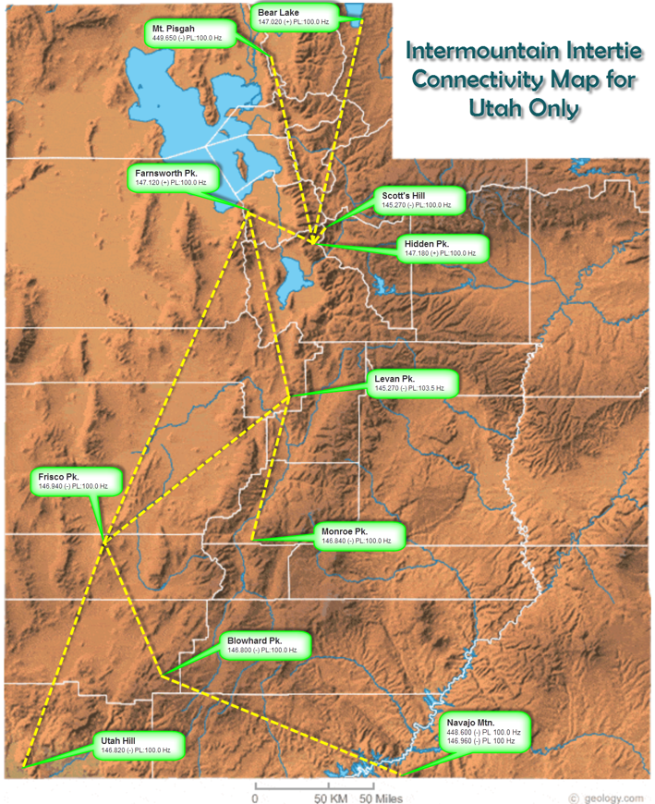

 |  | SINBAD SYSTEM MAP

Linked Systems
LINKED REPEATER SYSTEMS

SINBAD/SDARC
All Frequency listings are "sorted" in a North to South listing.
Sinbad/SDARC 2 meter freqs - www.sdarc.us
Freq | +/- 600 | PL tone | Name | lat | long | Rmks
147.040 | (+) | 136.5 | Grizzly | n40 44 21 | w109 29 02
147.080 | (+) | 77 | Lake Mtn | n40 16 56.8 | w111 56 13.0
145.490 | (-) | 136.5 | Flat Top | n40 13 20.82 | w110 06 17.47
145.310 | (-) | 88.5 | Ford Ridge | n39 45 24.52 | w110 59 26.08
147.080 | (+) | 88.5 | Boardinghouse | n39 39 24.58 | w111 11 55.34
147.320 | (+) | 88.5 | Bruin Pk | n39 38 41.0 | w110 20 51.9
147.060 | (+) | 88.5 | Horn Mtn. | n39 12 34.63 | w111 08 31.37
147.140 | (+) | 88.5 | Cedar Mtn | n39 10 16.32 | w110 37 12.74
147.080 | (+) | 136.5 | Mt. Ellen/hnksvl | n38 04 21.10 | w110 47 41.34
146.610 | (-) | 88.5 | Abajo Pk | n37 50 21 | w109 27 42
Sinbad and Skyline repeaters are linked together except as noted. They are NOT linked to Intermountain Intertie!

Skyline 2 meter freqs - www.skylineradioclub.com
Freq | +/- 600 | PL tone | Name
146.660 | (-) | 100 | Skyline | n39 20 12 | w111 27 03
146.720 | (-) | 100 | Manti/Barton Pk. | n39 19 23 | w111 46 23 | not Lnkd
145.290 | (-) | 131.8 | Antelope Vly | n39 12.079 | w111 43.698 | not Lnkd
147.100 | (+) | 100 | Salina/Beesting | n39 02.502 | w112 08.502
146.640 | (-) | 100 | Monroe Pk North | n38 32.5008 | w112 04.3938 | not Lnkd
146.860 | (-) | 100 | Monroe Pk South | n38 32.160 | w112 04.389
146.720 | (-) | 100 | Glendale/Hatch | n37 22.435 | w112 32.168

Intermountain Intertie (Snowlink) 2 meter freqs - www.utahvhfs.org
Freq | +/- 600 | PL tone | Name
145.230 | (-) | 100 | Sawtelle Pk/W.Yellowston | n44 33 41.7 | w111 26 39.9
146.850 | (-) | 100 | JumpOff Pk/Idaho | n43 45 15.3 | w113 06 25 | est
145.230 | (-) | 100 | Silver City/Idaho/War Eagle Mtn. | n43 00 27.7 | w116 41 45.1 | est
145.270 | (-) | 100 | Mt. Harrison/Idaho | n42 18 52.5 | w113 39 32.0 | est
146.430 | (s) | Car.sq. | Malad Pass/Idaho | n42 11 06 | w112 27 18
147.020 | (+) | 100 | Bear Lake | n41 52 57 | w111 16 09
146.670 | (-) | 100 | Wilkins Pk/Rk Sprngs, WY | n41 29 50.96 | w109 20 39.23
146.860 | (-) | 100 | Medicine Butte/Evanston | n41 20 49 | w110 54 03
147.120 | (+) | 100 | Farnsworth Pk/SLC | n40 39 30 | w112 12 11
145.270 | (-) | 100 | Scotts Hill/Brighton | n40 37 45 | w111 34 08
147.180 | (+) | 100 | Hidden Pk/Snowbird | n40 33 40 | w111 38 43
145.270 | (-) | 103.5 | Levan | n39 29 31 | w111 49 43
146.840 | (-) | 100 | Monroe Pk | n38 32 11 | w112 04 22
146.940 | (-) | 100 | Milford/Frisco Pk | n38 31 13 | w113 17 14
146.800 | (-) | 100 | Blowhard/Cedar | n37 35 30 | w112 51 57
146.820 | (-) | 100 | Utah Hill/St.Geo | n37 08 55 | w113 52 05
448.600 | (-) | 100 | Navajo Pk/Lk Powell | n37 02 04 | w110 52 11
146.960 | (-) | 100 | Navajo Pk/Lk Powell | n37 02 04 | w110 52 11
147.300 | (+) | 100 | Jacob Lake, AZ | n36 44 15 | w112 12 46
146.880 | (-) | 100 | Mt Patosi/Las Vegas | n35 57 45 | w115 29 59 | est
448.875 | (-) | 100 | Mt. Elden, Flagstaff http://w7ara.org | n35 14 30.37 | w111 36 35.10
ALL linked to each other but NOT to Sinbad or Skyline.
est = locations plotted by map reference, not GPS data measurement

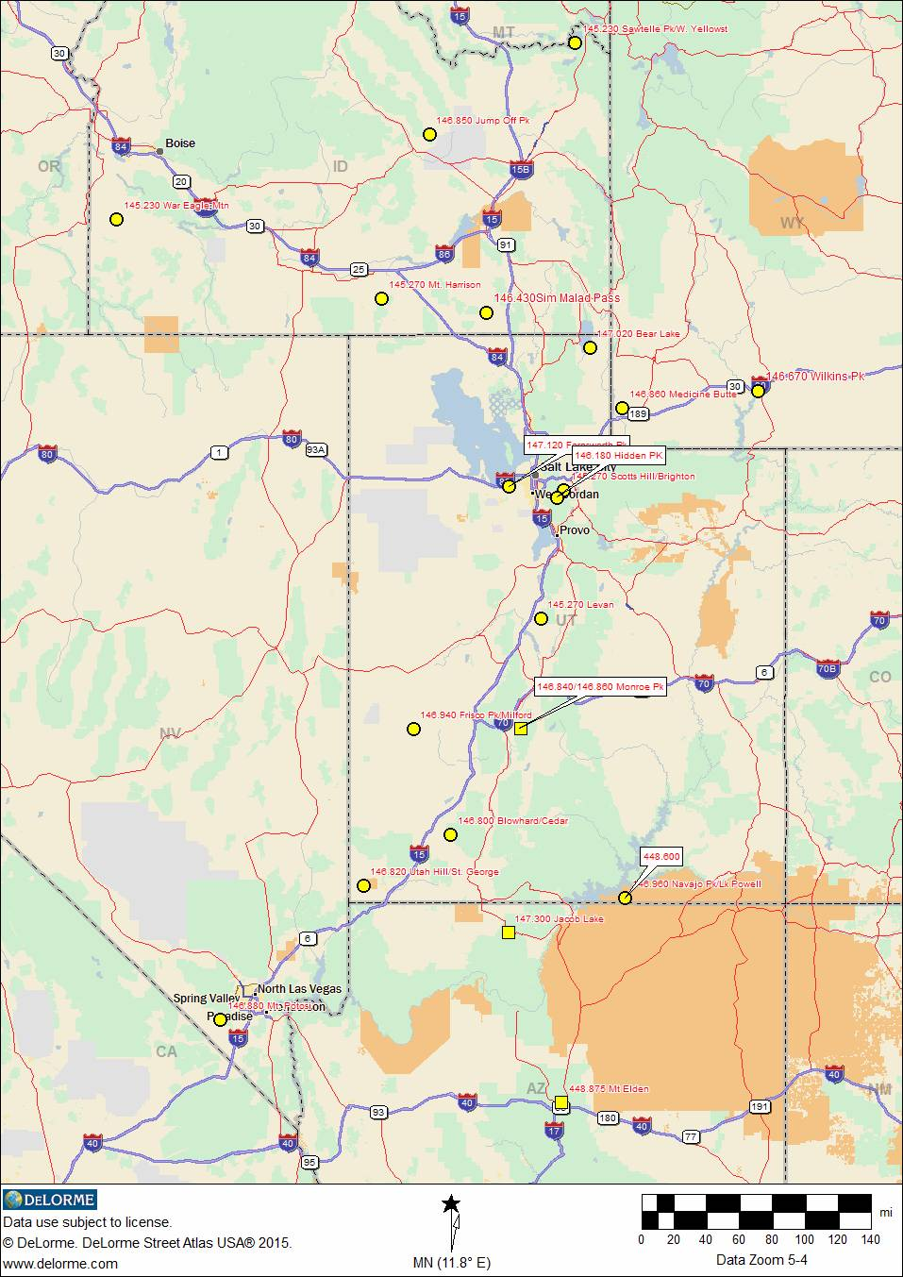
INTERTIE SYSTEM
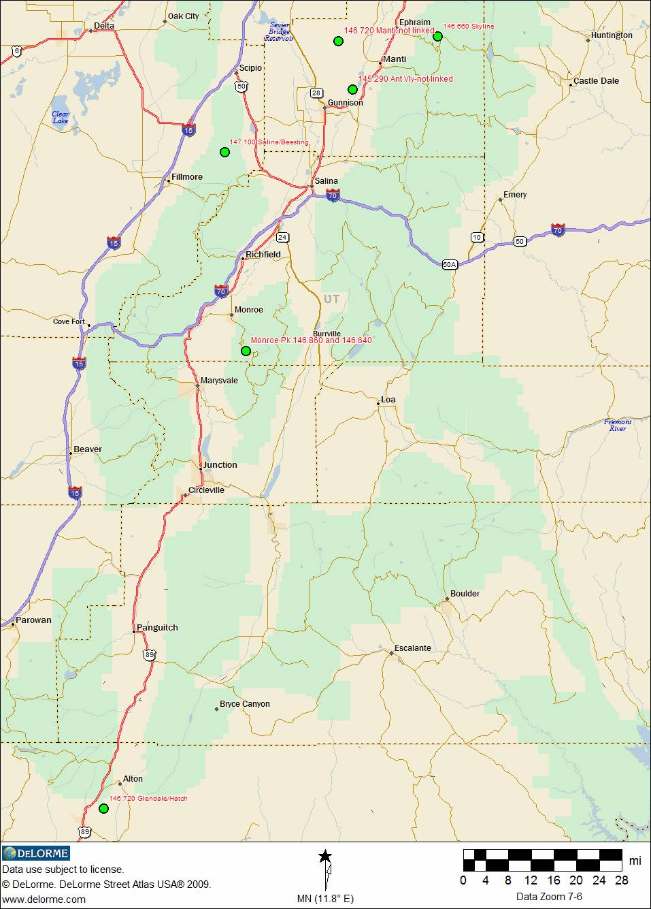
SKYLINE SYSTEM

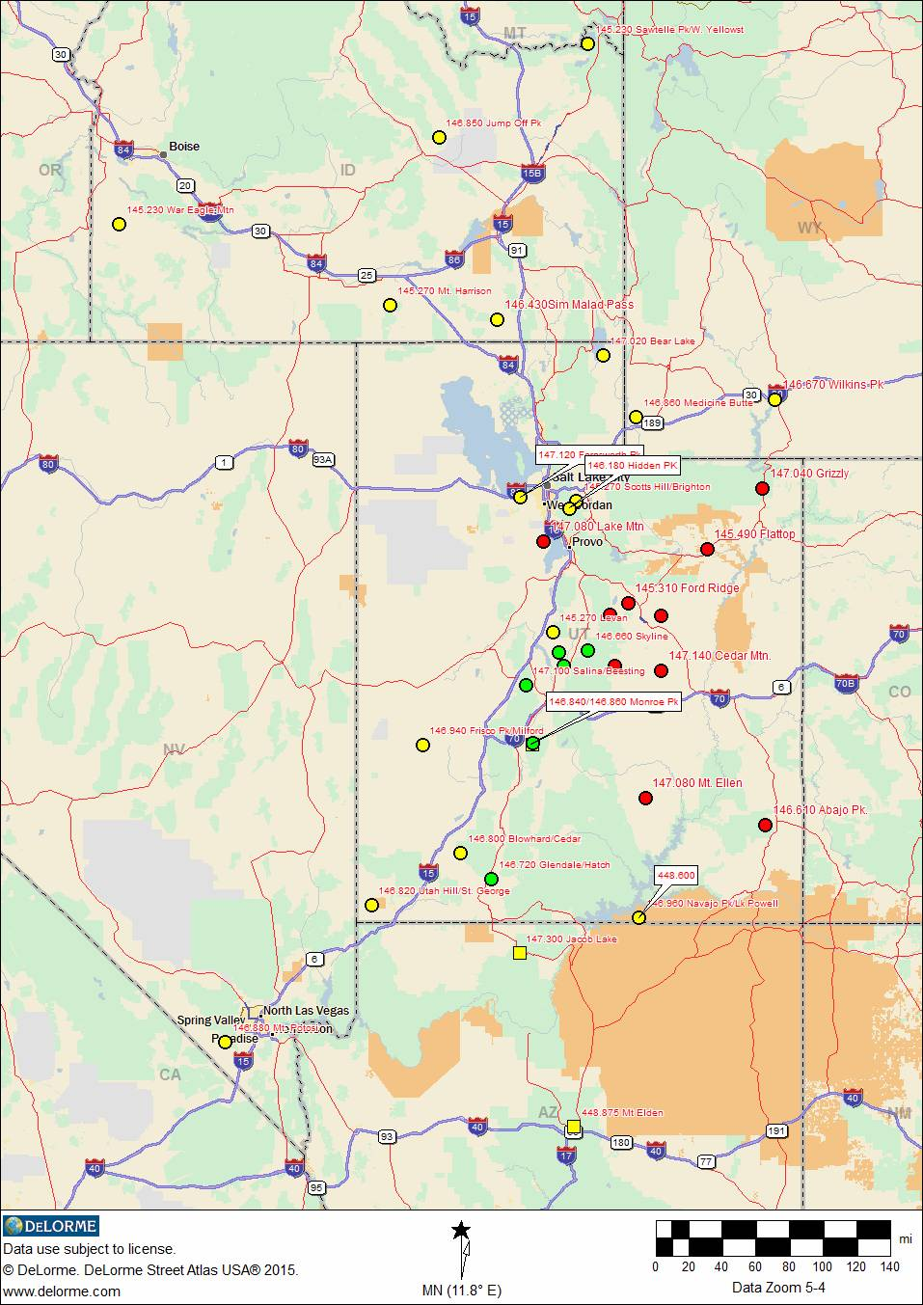
SINBAD / INTERTIE / SKYLINE

